Instructions
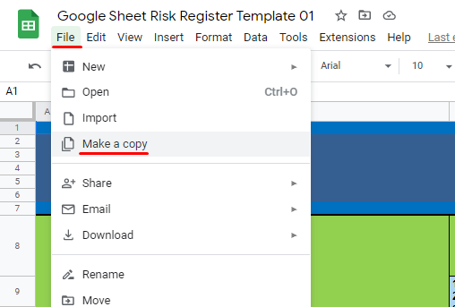
PLEASE NAVIGATE TO FILE THEN CLICK ON MAKE A COPY (SEE ATTACHED IMAGE BELOW)

